Bug Report
1
Bug Title | Missing Default No. of Days in First Line After Arranging Sequence Order
Severity | High
Expected Result | The Default No. of Days value should be displayed for all rows, including the first line, after arranging the sequence order.
Actual Result | The Default No. of Days value for the first line is missing after arranging the sequence order
Evidence | 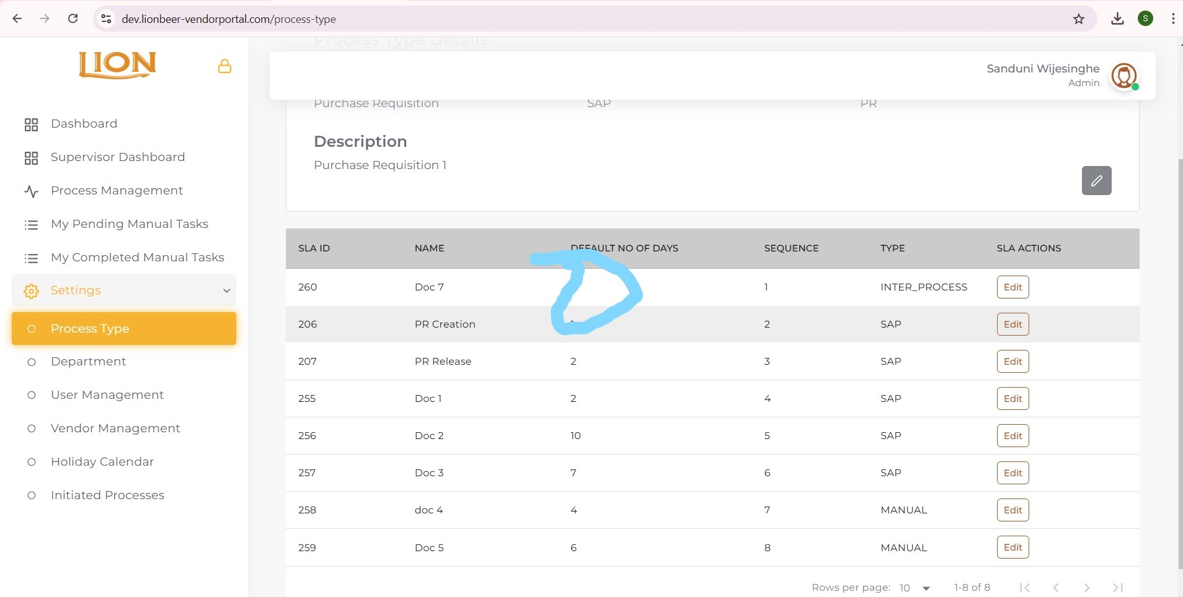
Path | Staff Portal > Process Type > View > Change the Sequence Order

2
Bug Title | Missing Fields for Action Type and Description in SLA Chart
Severity | Medium
Expected Result | The SLA chart should display fields/columns for Action Type and Description as entered during SLA creation.
Actual Result | The Action Type and Description fields are not visible in the SLA chart after creating an SLA.
Evidence | 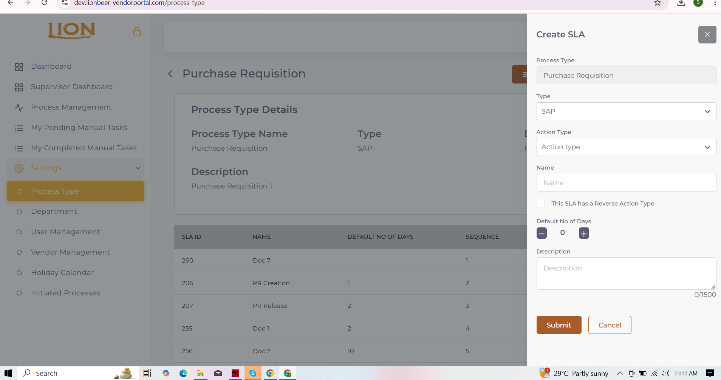
Path | Staff Portal > Process Type > View > SLA Creation

3
Bug Title | Vendor Search Field Doesn't Display Records When Other Search Filters Are Applied
Severity | High
Expected Result | When information is entered into the Vendor Search Box, it should display records matching the vendor name or email, even if other search filters (e.g., Process Type, Status, or Document Number) have been used.
Actual Result | When other search filters (e.g., Process Type, Status, or Document Number) are used, and then a vendor name or email is entered into the Vendor Search Box, the system shows "No Record Found," even though matching records exist.
Evidence | 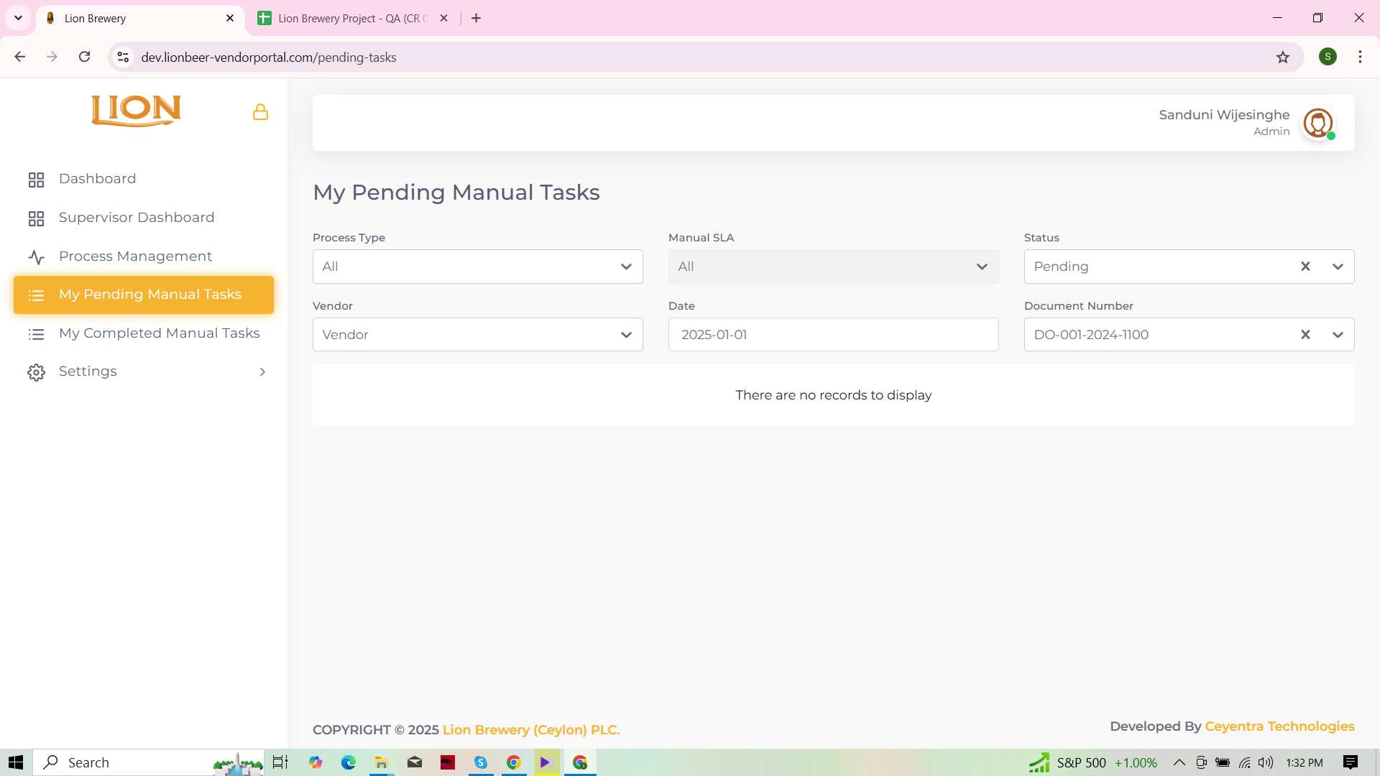
Path | My Pending Manual Tasks Page

